Sheet1
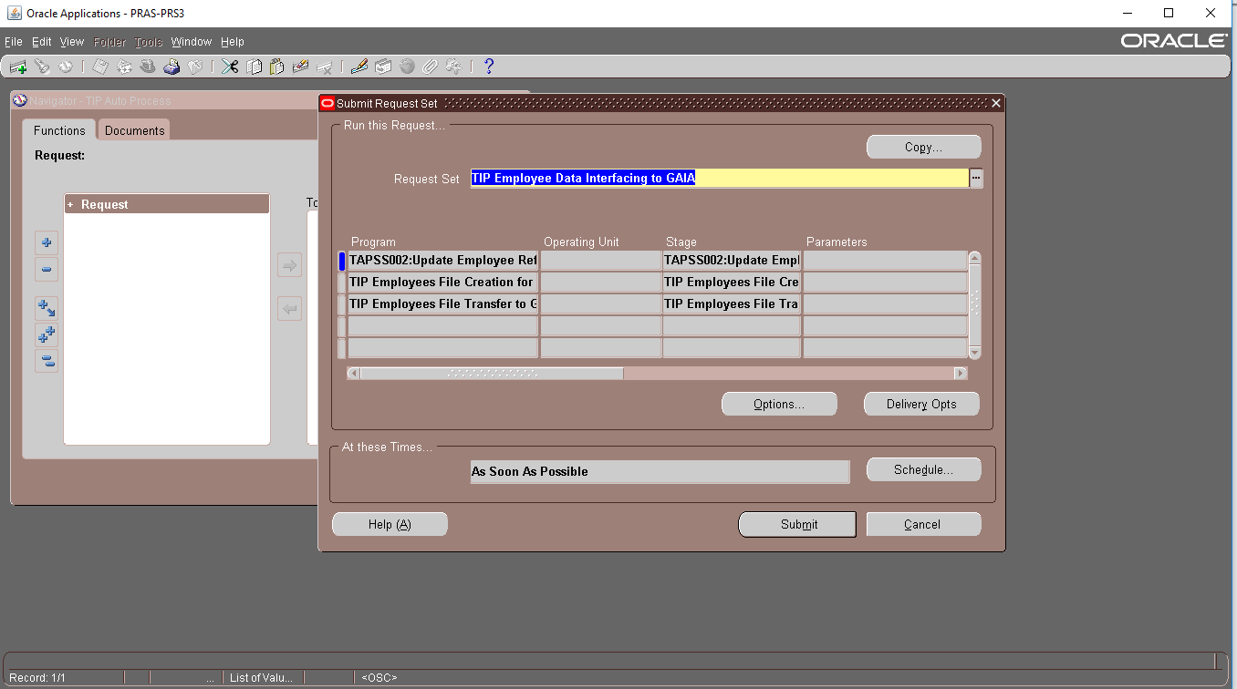
TIP Employee Interfacing Program

 | TAPSS001:Upload Employee Master to TIPAS
 | Employee Update Program
 | TAPSS003: Validate User Account

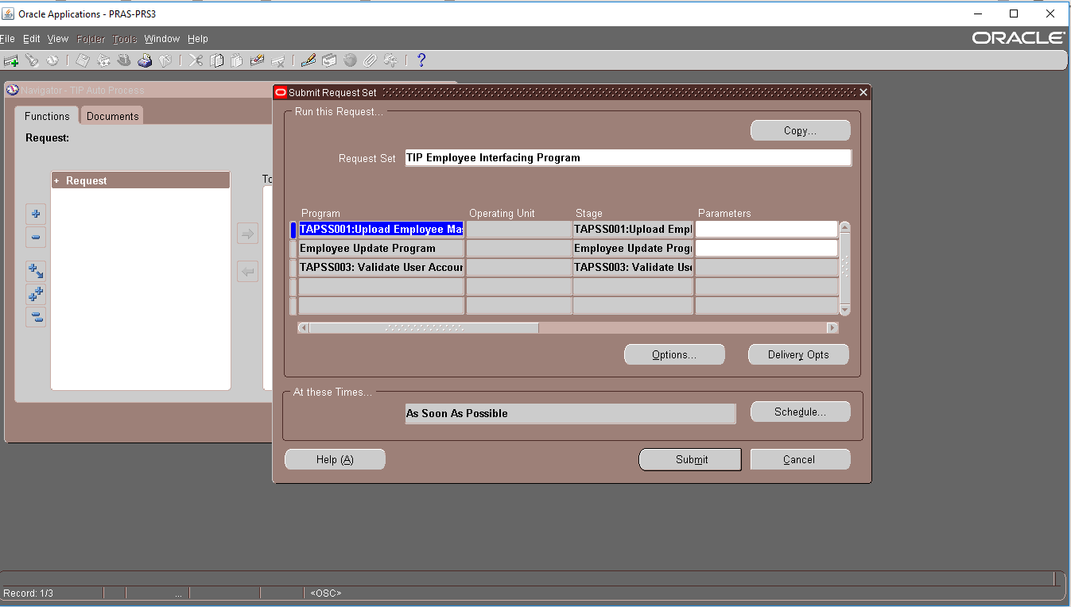

TIP Employee Data Interfacing to GAIA

 | TAPSS002:Update Employee Reference on TIPAS for GAIA
 | TIP Employees File Creation for GAIA
 | TIP Employees File Transfer to GAIA

